D1
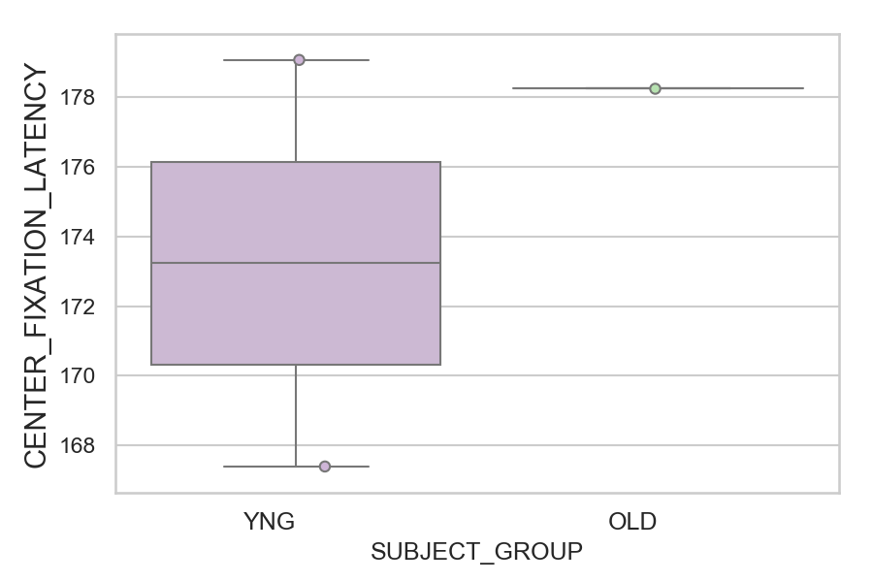
Latency of the center fixations relative to fixation_target_onset (ms)(median of all fixations per trial) (mean of trials per subject)
SUBJECT_NAME | SUBJECT_GROUP | SUBJECT_AGE | VALUE
AW002AF | YNG | 19 | 179.07142857
CP001CTA | OLD | 65 | 178.25
AW001CG | YNG | 19 | 167.39285714

D1 (types)
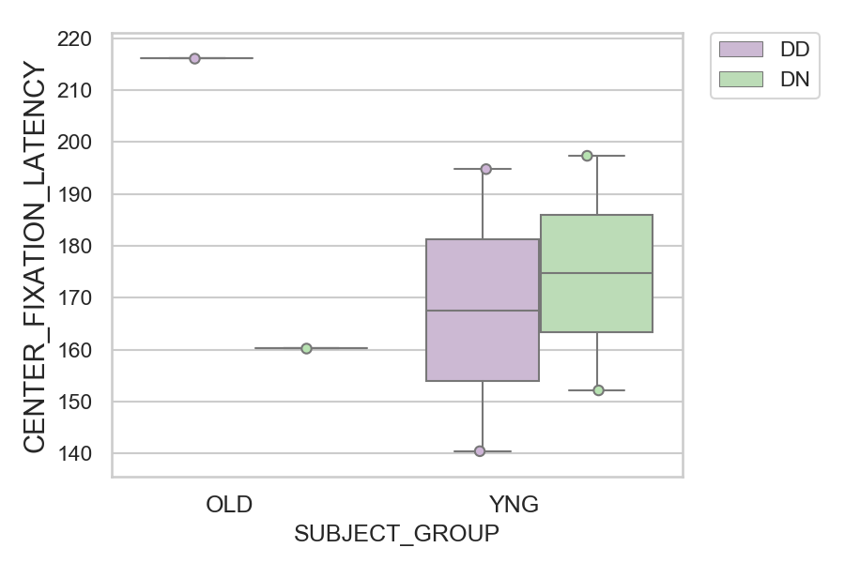
Latency of the center fixations relative to fixation_target_onset (ms)(median of all fixations per trial) (mean of trials per subject)
SUBJECT_NAME | SUBJECT_GROUP | CONDITION_APPEARANCE | SUBJECT_AGE | VALUE
CP001CTA | OLD | DD | 65 | 216.22222222
AW002AF | YNG | DN | 19 | 197.36842105
AW001CG | YNG | DD | 19 | 194.8
CP001CTA | OLD | DN | 65 | 160.26315789
AW001CG | YNG | DN | 19 | 152.16666667
AW002AF | YNG | DD | 19 | 140.44444444

